Assumptions
 | Bharat Electronics Ltd

Company Name | BHARAT ELECTRONICS LTD
ISIN Code | INE263A01024
Sector Name | AEROSPACE & DEFENCE
Industry | ELECTRONICS & DEFENCE
Exchange Name | BSE: 532959, NSE: BEL
Website | https://bel-india.in |  |  |  |  |  |  |  |  |  |  |  | Particulars | FY2026 | FY2027 | FY2028 | FY2029 | FY2030 | FY2031 | FY2032 | FY2033 | FY2034 | FY2035
Company Description | Bharat Electronics Ltd (BEL) is a government-owned aerospace and defence electronics company under the Ministry of Defence, Government of India. The company designs, develops, manufactures, and supplies advanced electronic systems and equipment for defence and civilian applications. Its product portfolio includes radar systems, sonar systems, electronic warfare systems, communication systems, weapon systems, avionics, night vision devices, electro-optics, and homeland security solutions. BEL also provides software-defined radios, satellite communication systems, electronic voting machines, and smart city solutions. It primarily serves the Indian Army, Indian Navy, Indian Air Force, Indian Coast Guard, DRDO, ISRO, and Paramilitary forces, along with select export markets. BEL is headquartered in Bengaluru, Karnataka, India. | 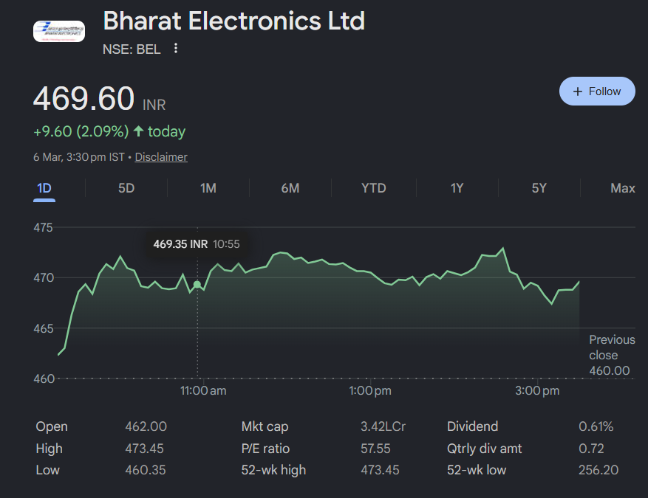 |  |  |  |  |  |  |  |  |  |  | Base Case | 15.0% | 14.0% | 13.5% | 13.0% | 12.5% | 12.0% | 11.5% | 11.0% | 10.5% | 10.0%
Price (INR) | 272 |  |  |  |  |  |  |  |  |  |  |  | Bull Case | 18.0% | 17.0% | 17.0% | 16.0% | 15.0% | 14.5% | 14.0% | 13.5% | 13.0% | 12.5%
 |  |  |  |  |  |  |  |  |  |  |  |  | Bear Case | 10.0% | 9.5% | 9.0% | 8.5% | 8.0% | 7.5% | 7.0% | 6.5% | 6.0% | 5.5%
Assumption Type | Case No.
Bull Case | 2

 |  | Particulars | FY2026 | FY2027 | FY2028 | FY2029 | FY2030 | FY2031 | FY2032 | FY2033 | FY2034 | FY2035
Transaction Date | 2024-08-12 | Base Case | 0.15 | 0.14 | 0.135 | 0.13 | 0.125 | 0.12 | 0.115 | 0.11 | 0.105 | 0.1
Fiscal Year End | 2025-03-31 | Bull Case | 0.18 | 0.17 | 0.17 | 0.16 | 0.15 | 0.145 | 0.14 | 0.135 | 0.13 | 0.125
Risk Free Rate | 0.07192 | Bear Case | 0.1 | 0.095 | 0.09 | 0.085 | 0.08 | 0.075 | 0.07 | 0.065 | 0.06 | 0.055
Tax Rate | 0.255
EV/EBITDA Multiple | 5.4069883964
Perpetual Growth Rate | 0.06
Discount Rate | 0.255
Shares Outstanding | 2029.4
Current Price | 272
Sheet Name | Row/Cell Referencing | Comments
Assumptions | Case Selection Cell | User selection dropdown provided with three scenarios — Base, Bull, Bear. Model assumptions and projections will dynamically update based on selected case.
 | Revenue Growth Input Cells | User input cells provided for revenue growth rates per year. Historical 5-year revenue CAGR of ~13.8% (FY2021–FY2025) has been used as the base driver for forecasting future revenues.
 | Risk Free Rate Cell | 10-year India Government benchmark bond yield linked across the model wherever required for WACC and DCF calculations.
Assumptions | General | Past 5 years revenue growth trend (FY2021–FY2025) used as primary driver to forecast revenue. Other income forecasted using 5-year historical average as a percentage of revenue.
Assumptions | Perpetual Growth Rate | A mild tapering rate of 6% has been assumed considering stable defence budget allocations, strong order book visibility, and Government of India's Atmanirbhar Bharat push for domestic defence production.
Forecasts & Supporting Schedules | Receivable / Payable / Inventory Days | Past 4-year average trend used to forecast working capital days. FY2021 has been excluded from the average due to COVID-19 distortion in receivable and inventory days relative to the normal operating cycle.
Forecasts & Supporting Schedules | Cost Drivers | Historical 5-year average growth rates used to forecast future costs. For COGS and salaries, past 3-year trend preferred to reduce pandemic-period distortion in FY2021–FY2022.
Forecasts & Supporting Schedules | Depreciation & Interest | Depreciation taken as % of opening gross PP&E. Interest taken as % of revenue. Depreciation rate assumed to increase by ~1% every 2 years reflecting BEL's ongoing capacity expansion across its nine manufacturing units.
Forecasts & Supporting Schedules | Capex | BEL's historical capex growth ranges from 15–25% YoY driven by modernisation of manufacturing facilities and new product development. Capex assumed to grow at minimum 8% per year on a conservative basis, consistent with India's defence indigenisation roadmap and BEL's expanding order book.
Forecasts & Supporting Schedules | Dividend Payout | FY2021 excluded from average payout ratio calculation due to COVID-19-related atypical dividend behaviour. BEL has maintained a consistent payout ratio of ~34–36% in FY2022–FY2025, which has been used as the forecast base.
Forecasts & Supporting Schedules | Tax Rate | Effective tax rate assumed to remain stable at ~25.2% with a marginal increase of 0.5% every two years in line with potential changes in corporate tax policy.
Ratio Analysis | General | Ratio interpretations designed for presentation clarity. Key ratios include ROCE, ROE, Asset Turnover, Current Ratio, Debt-to-Equity, and Order Book-to-Revenue coverage ratio, with expandable commentary for each.

Summary
Bharat Electronics Ltd

Football Field Data

 | Comps | DCF | 52-week hi/lo | market consensus

High | 4585.64 | 219 | 473 | 593
High | 4585.64 | 219 | 473 | 593
Low | 128.47 | 65 | 253 | 263
Low | 128.47 | 65 | 253 | 263

Valuation Summary

Valuation Summary
 | Comps | DCF | 52-week hi/lo | market consensus
 | 4585.64 | 219 | 473 | 593
 | 4585.64 | 219 | 473 | 593
 | 128.47 | 65 | 253 | 263
 | 128.47 | 65 | 253 | 263

Quarters
 | Bharat Electronics Ltd
Revenue
Narration | Sep-23 | Dec-23 | Mar-24 | Jun-24 | Sep-24 | Dec-24 | Mar-25 | Jun-25 | Sep-25 | Dec-25
Sales | 4,009 | 4,162 | 8,564 | 4,244 | 4,605 | 5,771 | 9,150 | 4,440 | 5,792 | 7,154
Expenses | 2,995 | 3,090 | 6,277 | 3,295 | 3,205 | 4,101 | 6,334 | 3,201 | 4,090 | 5,027
Operating Profit | 1014.17 | 1,073 | 2,287 | 948 | 1399.95 | 1,669 | 2816.06 | 1,238 | 1702.17 | 2,127
Other Income | 137.06 | 167.42 | 225.43 | 203.58 | 157.76 | 186.38 | 194.64 | 163.32 | 153.92 | 138.54
Depreciation | 108.26 | 107.46 | 118.54 | 107.68 | 111.19 | 110.93 | 137.58 | 120.79 | 126.49 | 135.44
Interest | 1.51 | 0.51 | 4.05 | 1.18 | 1.32 | 1.32 | 5.86 | 1.44 | 1.65 | 2.03
Profit before tax | 1041.46 | 1131.95 | 2390.07 | 1042.92 | 1445.2 | 1743.62 | 2867.26 | 1,279 | 1727.95 | 2128.31
Tax | 260.73 | 284 | 604 | 262 | 361.32 | 442 | 746 | 319 | 450 | 558
Net profit | 789.35 | 859.58 | 1797.11 | 791 | 1092.45 | 1310.95 | 2127.04 | 969.91 | 1287.77 | 1579.1

OPM | 0.25 | 0.26 | 0.27 | 0.22 | 0.30 | 0.29 | 0.31 | 0.28 | 0.29 | 0.30
Expenses

Depreciation

